Sheet1
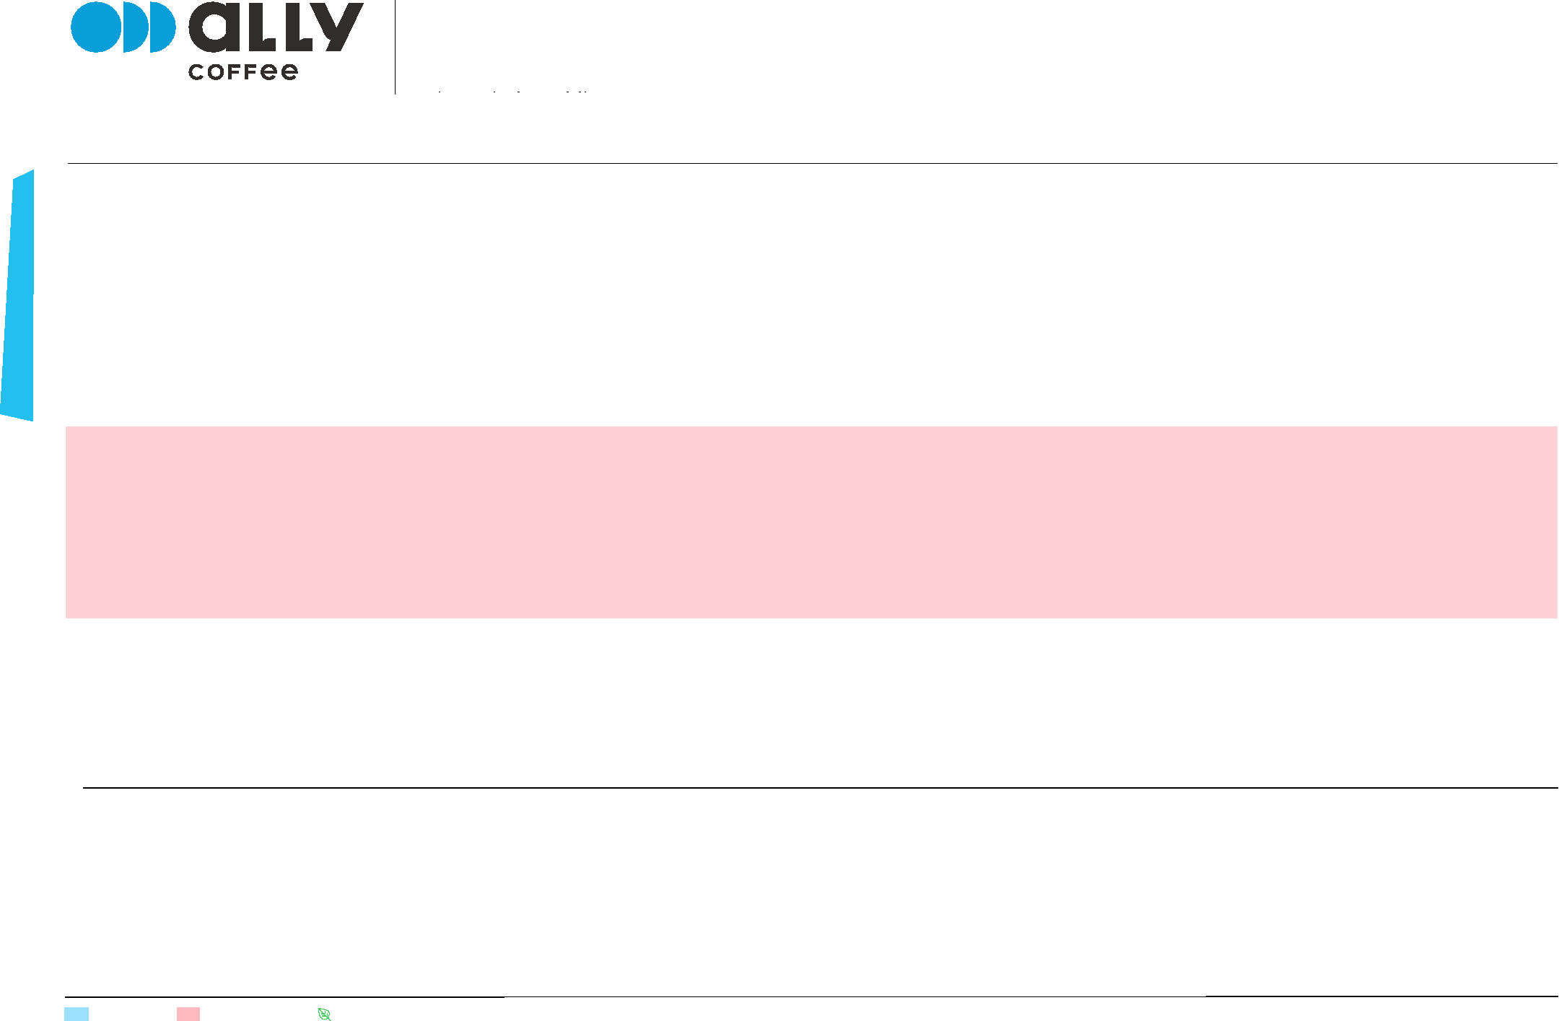

CURRENT EUROPE OFFERINGS
ALL PRICES AND QUANTITIES SUBJECT TO FINAL CONFIRMATION. COFFEE STORED AT SCHWARZE & CONSORT, HAMBURG. 3 MONTHS STORAGE OFFERED FROM DATE OF CONTRACT OR ARRIVAL INTO WAREHOUSE.*
UPDATED 28 DECEMBER 2020.
PAGE 1/4
*Additional storage costs US$ 5cents/kg per month, financial terms are available.
P-NUMBER | REGION | PRODUCER/FARM | VARIETY | PROCESS | HARVEST | QUANTITY | PRICE | CUPPING NOTES
 |  |  |  |  |  |  | (USD/KG)
P002688 # 2 | Tarrazú | Don Elí Micromill - El Otro Lado | Catuai | Red Honey | 2020 | 3 x 69 kg GPB | $11.10 | Buttery texture, honey, red apple, blackberries
P002688 # 3 | Tarrazú | Don Elí Micromill -- La Pastora | Catuai | Yellow Honey | 2020 | 3 x 69 kg GPB | $11.60 | Creamy, muscovado, orange marmalade, plum
P002688 # 17 | Tarrazú | Palmichal Micromill - Christian Alvarez | Catuai | Red Honey | 2020 | 3 x 69 kg GPB | $9.10 | Juicy, balanced, brown sugar, sweet lemon, peach
P002688 #8 | Tarrazú | Juanachute Micromill - El Papal | Catuai | Red Honey | 2020 | 9 x 69 kg GPB | $011 | Velvety body, syrupy sweet, plum, sweet citrus
P002688 #9 | Tarrazú | Juanachute Micromill - El Papal | Catuai | White Honey | 2020 | 8 x 69 kg GPB | $011 | Juicy, vibrant, honeydew, sweet lime, white sugar
P002688 #13 | Tarrazú | Juanachute Micromill - Nacientes | Catuai | Red Honey | 2020 | 6 x 69 kg GPB | $011 | Juicy, clean, nectarine, orange, vanilla
P002688 # 6 | Central Valley | Hacienda Sonora | Obata | Natural | 2020 | 4 x 69 kg GPB | $011 | Creamy, roasted almond, plum, red apple, pear
P002688 # 7 | Central Valley | Finca Colorado | Caturra | Honey | 2020 | 6 x 69 kg GPB | $11.10 | Juicy, honey, wafer, orange, passion fruit
P001961 # 2 | Tarrazú | Palmichal Micromill - Los Ureña | Catuai | Honey | 2019 | 33 x 69 kg GPB | $7.30 | Juicy, blackberry, dark red berries, papaya
P001961 # 10 | Tarrazú | Palmichal Micromill - Cerro Dragon | Catuai | Honey | 2019 | 38 x 69 kg GPB | $007 | Creamy, yellow fruit, brown spice, vanilla
P001961 # 3 | Tarrazú | Palmichal Micromill -- Christian Alvarez | Catuai | Honey | 2019 | 4 x 69 kg GPB | $008 | Creamy, cherry, brown sugar, milk chocolate
P001961 # 7 | Tarrazú | Juanachute Micromill - San Francisco | Caturra, Catuai | White Honey | 2019 | 2 x 69 kg GPB | $9.10 | Delicate, lime peel, molasses, stone fruit
P001961 # 13 | Central Valley | Hacienda Sonora | Catuai | Natural | 2019 | 14 x 69 kg GPB | $010 | Smooth, plum, blueberry, milk chocolate
P002151 # 5 | Tarrazú | Juanachute Micromill - Canet | Caturra | Yellow Honey | 2019 | 9 x 69 kg GPB | $7.50 | Creamy, milk chocolate, caramel
P001961 # 6 | Tarrazú | Juanachute Micromill - El Papal | Caturra, Catuai | White Honey | 2019 | 3 x 69 kg GPB | $9.50 | Silky, balanced, orange, milk chocolate
P002214 # 1 | Turrialba | Aquiares Estate | Esperanza | Red Honey | 2019 | 2 x 69 kg GPB | $8.70 | Silky, mandarin, cherry, dried fruit
GUATEMALA
P-NUMBER | REGION | PRODUCER/FARM | VARIETY | PROCESS | HARVEST | QUANTITY | PRICE | CUPPING NOTES
 |  |  |  |  |  |  | (USD/KG)
P002368 # 1 | Huehuetenango | Ceiba - community coffee | Mixed varietals | Washed | 2020 | 25 x 69 kg GPB | $005 | Silky, mild, nougat, roasted almonds, stonefruit

Email info@allycoffee.com or visit us at www.allycoffee.com
= afloat = special o~er = organic certified
COSTA RICA
CENTRAL AMERICA

